Sheet1
Question No | Passage | Question | Answer1 | Answer2 | Answer3 | Answer4 | CorrectAnswer | Demonstrate | Photo | Script
1 | 1 |  | The man is folding up the chairs | Most of the seats are unoccupied | The man is setting up the stage for an event | The chairs have been put out on the grass | B | Correct-answer:B A.The man is folding up the chairs B.Most of the seats are unoccupied C.The man is setting up the stage for an event D.The chairs have been put out on the grass |  | test script 1
2 | 1 |  | She is climbing over the fence | She is moving the trash cans | She is carrying a carton into a building | She is jogging along the street | B | Correct-answer:B A.She is climbing over the fence B.She is moving the trash cans C.She is carrying a carton into a building D.She is jogging along the street |  | test script 2
3 | 1 |  | A driver is stepping out of the car | The traffic sign is being taken down | No cars are on the road today | The vehicles are stopped at a traffic light | D | Correct-answer:D A. A driver is stepping out of the car B. The traffic sign is being taken down C. No cars are on the road today D. The vehicles are stopped at a traffic light | 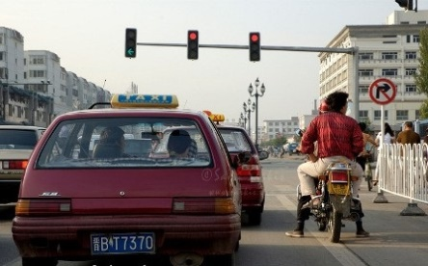 | test script 3
32 | 3
33 | 1
34 | 1
101 | 1 | how are you? | no | ok | fine | so so | C | test |  | test test

Sheet2
4 | The man is buying a ticket at the bus station | The man is boarding the bus | The man is handing his baggage to a conductor | The man is checking the bus timetable | B | A.The man is buying a ticket at the bus station B.The man is boarding the bus C.The man is handing his baggage to a conductor D.The man is checking the bus timetable | 
5 | The worker is preparing to dig the earth | There are a lot of leaves on the road | The road is being resurfaced | The man is driving the truck down the hill | C | A.The worker is preparing to dig the earth B.There are a lot of leaves on the road C.The road is being resurfaced D.The man is driving the truck down the hill | 
6 | Neither of the phones is being used | The two phones are different in size from each other | The telephones are being repaired | Each telephone is in a separate booth | A | A.Neither of the phones is being used B.The two phones are different in size from each other C.The telephones are being repaired D.Each telephone is in a separate booth | 

